42. Water St. Garage
PROJECT TITLE: |  |  | DEPARTMENT: |  |  |  | PROGRAM:
42. Water Street Garage Enhancements |  |  | Public Works |  |  |  | Roads/ Infrastructure/ Transportation

CIE REQUIREMENT: |  |  | PROJECT COMPLETION DATE:
No |  |  | 2015-09-30

PREVIOUS FUNDING: |  |  | BEYOND 5TH YEAR FUNDING:
N/A |  |  | N/A

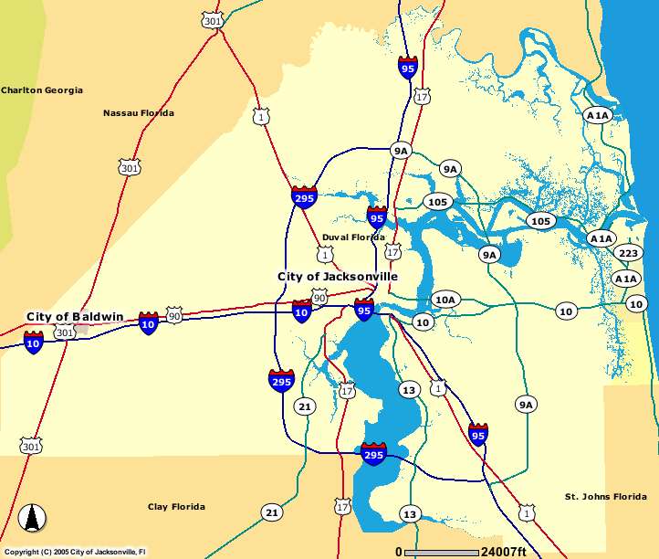
 |  |  |  |  | Project Description:
 |  |  |  |  | This project is to provide enhanced pedestrian access to the facility, improve security monitoring, improve the facility's office spaces, aesthetically improve the exterior of the garage, determine & address any structural challenges for the entire structure, improve the facility's exterior lighting and any other rehabilitation needs of the facility.

 |  |  |  |  | Level of Service Impact:
 |  |  |  |  | To ensure safety of users while aesthetically improving the garage for marketability.

Expenditure Plan:
 |  | Total Est Cost | Prior Yrs Funding | FY 12/13 | FY 13/14 | FY 14/15 | FY 15/16 | FY 16/17
Project Development
Engineering/Design
Construction |  | 3,700,000 | 1,300,000 |  | 1,000,000 | 1,400,000
Land
 | TOTAL | $3,700,000 | $1,300,000 |  | $1,000,000 | $1,400,000

Funding Sources: |  | Total Est Cost | Prior Yrs Funding
 |  |  |  | FY 12/13 | FY 13/14 | FY 14/15 | FY 15/16 | FY 16/17
Banking Fund-Debt Proceeds |  | 2,400,000 |  |  | 1,000,000 | 1,400,000
Interest and Revenue App. |  | 1,300,000 | 1,300,000
 | TOTAL | $1,300,000 | $1,300,000 |  | $1,000,000 | $1,400,000

Estimated Operating Budget Impact:
 |  | Total Est Cost | Total Est Cost | FY 12/13 | FY 13/14 | FY 14/15 | FY 15/16 | FY 16/17
Supplies
Utilities
 | TOTAL

Estimated Operating Budget Statement:
This capital maintenance allocation will fund repairs and maintenance of an existing structure. There is no estimated impact on the operating budget.

