34. Southbank Riverwalk
PROJECT TITLE: |  |  | DEPARTMENT: |  |  |  | PROGRAM:
34. Southbank Riverwalk Renovations |  |  | Public Works |  |  |  | Public Facilities

CIE REQUIREMENT: |  |  | PROJECT COMPLETION DATE:
Yes |  |  | 2017-09-30

PREVIOUS FUNDING: |  |  | BEYOND 5TH YEAR FUNDING:
$2,500,000 |  |  | N/A

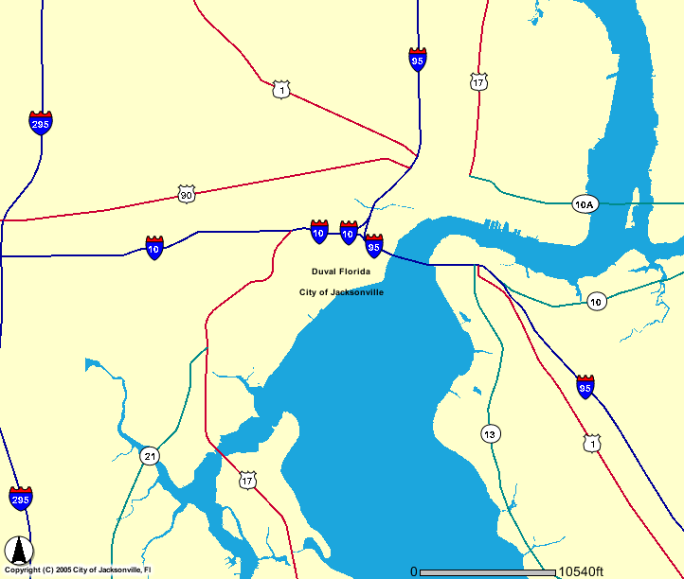
 |  |  |  |  | Project Description:
 |  |  |  |  | Complete study, design and construction of riverwalk extension along the riverfront. The Riverwalk is an important aspect of downtown. It provides a quality of life for citizens and an attraction for visitors.

 |  |  |  |  | Level of Service Impact:
 |  |  |  |  | TBD

Expenditure Plan:
 |  | Total Est Cost | Prior Yrs Funding | FY 12/13 | FY 13/14 | FY 14/15 | FY 15/16 | FY 16/17
Project Development
Engineering/Design
Construction |  | 23,270,669 | 17,270,669 |  | 2,000,000 | 2,000,000 | 2,000,000
Contract Administration
 | TOTAL | $23,270,669 | $17,270,669 |  | $2,000,000 | $2,000,000 | $2,000,000

Funding Sources: |  | Total Est Cost | Prior Yrs Funding
 |  |  |  | FY 12/13 | FY 13/14 | FY 14/15 | FY 15/16 | FY 16/17
Grant(s)-FIND/Other |  | 303,512 | 303,512
Interest & Revenue Approp.
Project and Budget Transfers |  | 11,894,138 | 11,894,138
Pay Go - Current Revenues
Banking Fund-Debt Proceeds |  | 11,073,019 | 5,073,019 |  | 2,000,000 | 2,000,000 | 2,000,000
 | TOTAL | $23,270,669 | $17,270,669 |  | $2,000,000 | $2,000,000 | $2,000,000

Estimated Operating Budget Impact:
 |  | Total Est Cost | Prior Yrs Funding | FY 12/13 | FY 13/14 | FY 14/15 | FY 15/16 | FY 16/17
Supplies
Equipment
 | TOTAL

Estimated Operating Budget Statement:
This capital project seeks to enhance an existing structure within the City of Jacksonville. There is no estimated impact to the operating budget.

